1. Title Page
Carbon Dioxide Production Analysis

Project Name: Carbon Dioxide Production Analysis
Date: 1/20/2023
Analyst Name: Robert Cheadle

Contents:
Population Flow
Consistency checks
Wrangling steps
Column derivations
Visualizations
Recommendations

2. Population Flow
Title page

Population flow

Exclusion flag
co2_data
Condition: year >= 1990
Obervations to be removed: 38,202
Final total count of co2_data: 8,321
life_expectancy
Condition: year >= 1990
Obervations to be removed: 6,199
Final total count of life_expectancy: 6,646
carbon_life_full
Condition: remove rows containing any NaN
Obervations to be removed: 1,465
Final total count of carbon_life_full: 4,697

carbon_life_full
after consistency checks
carbon_life_full
carbon_life_full

Total: 4,691
Total: 6,162
Total: 4,691

1.) The grey boxes in the first row of the population flow represent the original data sets as they were when you downloaded them. In the Total fields you need to add the count of the rows when you imported the data set into Jupyter.
2.) The second row of boxes (coloured) represents the data sets after you manipulated them, e.g., removed missing values and duplicates. In the Total fields you need to add the count of the rows after conducting these operations. This offers a visual oveview of how the data flows throughout the data consistency checks.
3.) The third row, where also the arrows are coloured, represents the merges you performed between the datasets. In the Total fields you need to add the count of the rows in the merged datasets, so that you end up with the final dataset (in the red box). Keep in mind the final dataset should be without exclusions (based on the exclusion flag).

3. Consistency checks
 |  |  |  |  | Title page
Consistency checks

Dataset | Column | Missing values | Missing values treatment | Duplicates
carbon_data | population | 653 | missing values not removed;
 | gdp | 3,532 | missing values not removed;
 | co2 | 402 | missing values not removed;

 |  |  |  | No duplicates found
life_expectancy
 |  |  |  | No duplicates found
carbon_life_full | gdp | 1,436 | removed; gdp value necessary for analysis
 | co2 | 111 | removed; co2 value necessary for analysis

4. Wrangling steps
 |  |  |  |  | Title page
Wrangling steps

Dataset | Columns dropped | Columns renamed | Columns' type changed | Comment/Reason
carbon_data | cement_co2 cement_co2_per_capita co2_growth_abs co2_growth_prct co2_including_luc co2_including_luc_growth_abs co2_including_luc_growth_prct co2_including_luc_per_capita co2_including_luc_per_gdp co2_including_luc_per_unit_energy co2_per_capita co2_per_gdp co2_per_unit_energy coal_co2 coal_co2_per_capita consumption_co2 consumption_co2_per_capita consumption_co2_per_gdp cumulative_cement_co2 cumulative_co2 cumulative_co2_including_luc cumulative_coal_co2 cumulative_flaring_co2 cumulative_gas_co2 cumulative_luc_co2 |  |  | unnecessary for analysis
 | cumulative_oil_co2 cumulative_other_co2 energy_per_capita energy_per_gdp flaring_co2 flaring_co2_per_capita gas_co2 gas_co2_per_capita ghg_excluding_lucf_per_capita ghg_per_capita land_use_change_co2 land_use_change_co2_per_capita methane methane_per_capita nitrous_oxide nitrous_oxide_per_capita oil_co2 oil_co2_per_capita other_co2_per_capita other_industry_co2 |  |  | unnecessary for analysis
 | primary_energy_consumption share_global_cement_co2 share_global_co2 share_global_co2_including_luc share_global_coal_co2 share_global_cumulative_cement_co2 share_global_cumulative_co2 share_global_cumulative_co2_including_luc share_global_cumulative_coal_co2 share_global_cumulative_flaring_co2 share_global_cumulative_gas_co2 share_global_cumulative_luc_co2 share_global_cumulative_oil_co2 share_global_cumulative_other_co2 share_global_flaring_co2 share_global_gas_co2 share_global_luc_co2 share_global_oil_co2 share_global_other_co2 total_ghg total_ghg_excluding_lucf trade_co2_share |  |  | unnecessary for analysis
life_expectancy |  | Entity' to 'country' |  | unclear column name
 |  | Code' to 'iso_code' |  | unclear column name
 |  | Year' to 'year' |  | maintain consistent formatting across datasets
 |  | Life expectancy at birth, total (years)' to 'life_expectancy' |  | maintain consistent formatting across datasets
carbon_life_full | iso_code' |  |  | unnessary for analysis

Data Profile carbon_life_full
Summary Statistics
 | Variables | country | year | population | gdp | co2 | life_expectancy
 | Description | Text string describing country | The year the survey took place | Number value of total population of observation | GDP measures the value of the final goods and services produced in a country | Total co2 produced by a country in million tons | Estimated value of a countries life expectancy at time of birth
 | time -variant/-invariant | Time-invariant | Time-invariant | Time-variant | Time-variant | Time-variant | Time-variant
 | structured/unstructured | Structured | Structured | Structured | Structured | Structured | Structured
 | qualitative/quantitative | Qualitative | Qualitative | Quantitative | Quantitative | Quantitative | Quantitative
 | qualitative: nominal/ordinal quantitative: discrete/continuous | Nominal | Ordinal | Discrete | Continuous | Continuous | Continuous

 | Counts Expected from the variables

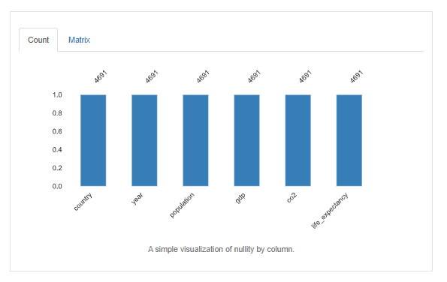
 |  |  |  | Data Integrity

 |  |  |  | Data Accuracy

 |  |  |  | Variable | minimum | maximum | mean
 |  |  |  | country | NA | NA | NA
 |  |  |  | year | 1990 | 2018 | NA
 |  |  |  | population | 68,281 | 1,417,069,400 | 39,512,274
 |  |  |  | gdp | 257,172,000 | 18,151,600,000,000 | 451,085,450,000
 |  |  |  | co2 | 0 | 10,354 | 172
 |  |  |  | life_expectancy | 26 | 85 | 68

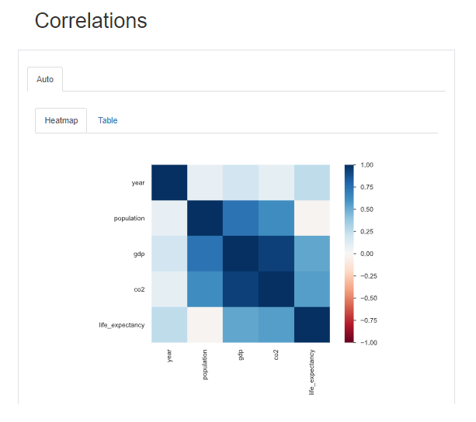

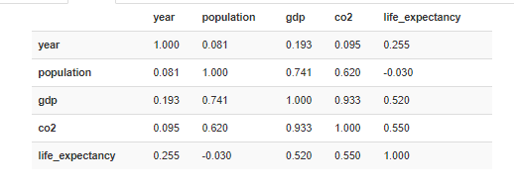

 | Variables | Description | time -variant/-invariant | structured/unstructured | qualitative/quantitative | qualitative: nominal/ordinal quantitative: discrete/continuous
 | country | Text string describing State where survey took place | Time-invariant | Structured | Qualitative | Nominal
 | year | The year the survey took place | Time-invariant | Structured | Qualitative | Ordinal
 | population | Number value of total population of observation | Time-variant | Structured | Quantitative | Discrete
 | gdp | GDP measures the value of the final goods and services produced in a country | Time-variant | Structured | Quantitative | Continuous
 | co2 | Total co2 produced by a country in million tons | Time-variant | Structured | Quantitative | Continuous
 | life_expectancy | Estimated value of a countries life expectancy at time of birth | Time-variant | Structured | Quantitative | Continuous

5. Column derivations
 |  |  |  |  | Title page

Column derivations and aggregations

In this tab you should add tables below that the frequences of flags/label variables that you produced after deriving them. NB: don't do this for continuous variables, only for flags.
Dataset | New column | Column/s it was derived from | Conditions | Code

6. Visualizations
 |  | Title page

Visualizations

In this tab you should include all the visualizations from Exercises 4.9 and 4.10, alongside the questions from the project brief that they answer. Include any commentary on the relationship between different variables.

1 | 2

7. Recommendations
 |  |  |  | Title page

Recommendations

# | Key Questions | Answers | Link to Visualizations
1
2
3
4
5
6
7
8
9
10

